Overview
CLAUDE OPUS 4.8 for FP&A & FINANCE GUIDE |  |  | Some of the results ↓
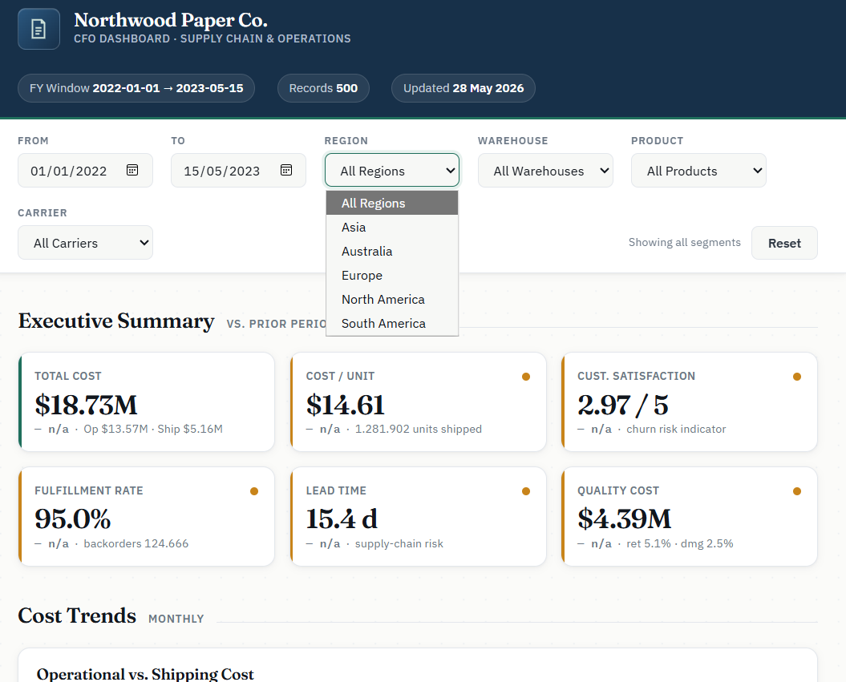
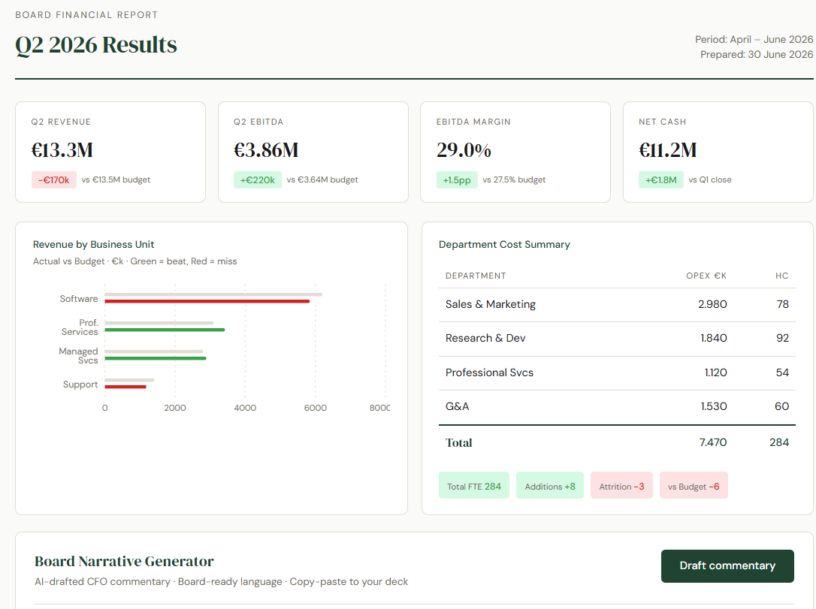

Ronen Amos, CPA
WHAT CHANGED IN OPUS 4.8 | WHAT IT MEANS | WHY IT MATTERS FOR FINANCE
Honesty & uncertainty flagging | Less likely to let errors pass. Flags when not confident rather than guessing. | Trust variance numbers and model outputs more. Claude tells you when it needs more data.
Alignment & reliability | Lowest rate of misaligned behaviour measured. Supports your decisions, not second-guessing. | Reliable for agentic tasks — automated reporting, multi-step close processes.
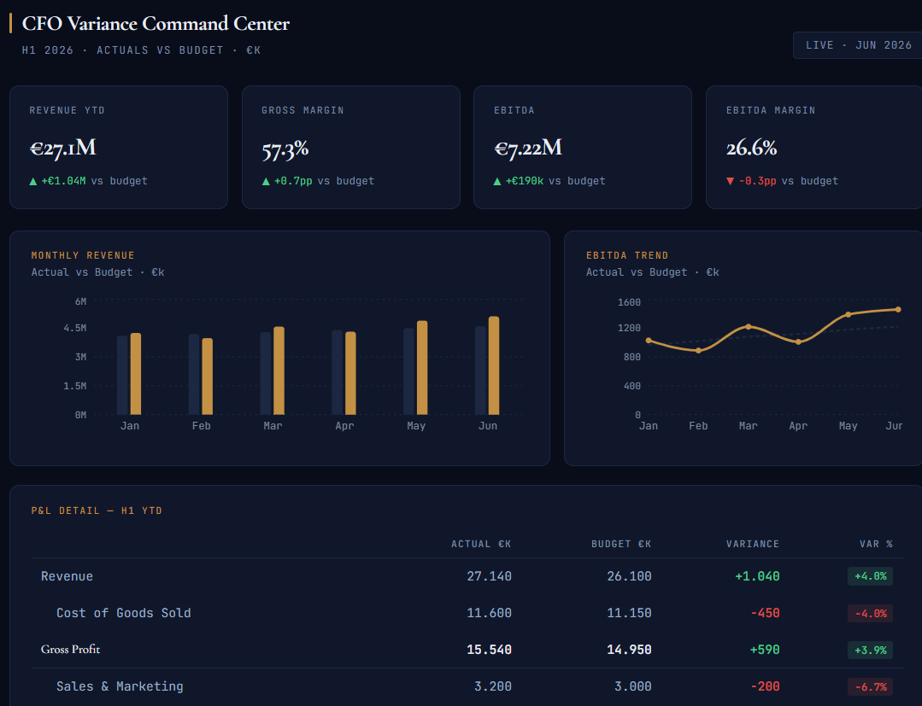
Reasoning quality | Improved scores across coding, analysis, and knowledge-work benchmarks. | Faster, more accurate answers — scenario modelling, covenant analysis, data interpretation.
Effort control (claude.ai) | Set effort: Low, Medium, High, Extra, Max. Higher effort = deeper reasoning, more tokens. | Set 'Extra' for complex models or board narratives. Default for quick lookups and drafts.
Dynamic workflows (Claude Code) | Spawns hundreds of parallel subagents for large-scale, multi-step tasks. | Automate monthly report generation, multi-file reconciliations, data pipelines.
Fast mode pricing | 2.5× speed at 3× lower cost than Opus 4.7 fast mode. | Bulk commentary generation and large dataset analysis now significantly more affordable.

EFFORT SETTING | BEST FOR

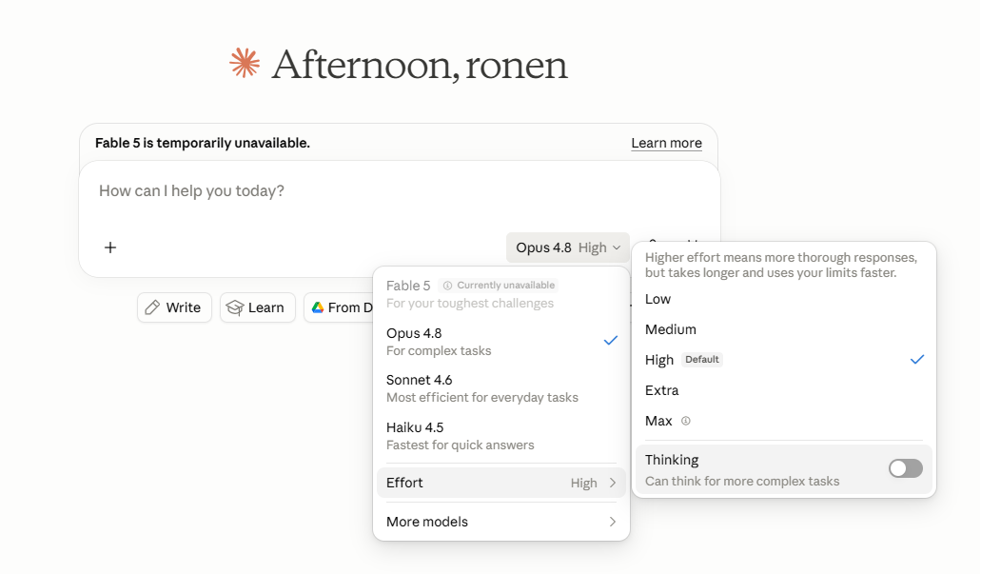
EFFORT SETTING | BEST FOR | EXAMPLE TASK
Default | Day-to-day tasks, quick lookups, email drafts | Draft a follow-up email to a budget holder about their Q3 submission
Extra ⭐ | Complex analysis, board-pack narratives, scenario models | Build a 3-scenario FY forecast with sensitivity table from attached data
Max | Long-running analysis, multi-document synthesis, strategic reviews | Synthesize 12 months of management accounts into a CFO strategic review

💡 TIP: Save your best prompts as reusable templates. Replace data sections with [paste data here] placeholders and build a library your whole FP&A team can use. See the '30 Prompts' sheet.

Main Workflows
WORKED EXAMPLES — 3 INTERACTIVE DASHBOARDS

Example 1 — CFO Variance Command Center
What it does | Full H1 P&L with actuals vs budget. KPI cards, monthly revenue bar chart, EBITDA trend line, and conditional-formatted variance table (green = favourable, red = adverse).
AI feature | Click 'Run Analysis' — Claude reads the live P&L and returns: top 3 variance drivers, margin commentary, and two concrete H2 management actions.
Prompt used | Create a premium interactive CFO dashboard called “CFO Variance Command Center.” Purpose: analyze Full H1 2026 P&L actuals vs budget in real time. Include: Executive KPI cards Revenue YTD Gross Margin EBITDA EBITDA Margin Each card shows actual value plus variance vs budget. Monthly Revenue Bar Chart Jan–Jun Actual vs Budget bars Values in €k / €M Highlight favourable and adverse variance EBITDA Trend Line Jan–Jun EBITDA Overlay or reference budget trend CFO-grade tooltip on hover Conditional Variance Table Full H1 P&L rows: Revenue Cost of Goods Sold Gross Profit Sales & Marketing Research & Development General & Admin Total OpEx EBITDA Columns: Actual €k Budget €k Variance €k Variance % Conditional formatting: Green = favourable Red = adverse Important: treat cost lines correctly: Lower cost than budget = favourable Higher cost than budget = adverse Higher revenue / profit / EBITDA = favourable AI Variance Analysis Panel Add a button: “Run Analysis” When clicked, generate CFO-ready commentary covering: headline performance vs budget revenue drivers gross margin movement OpEx discipline or overruns EBITDA bridge root-cause hypotheses H2 corrective actions board-level talking points Visual style: dark executive UI navy / black background gold accent color thin gridlines premium SaaS feel Bloomberg Terminal meets Linear meets CFO board pack Use React + TypeScript + Tailwind + Recharts + Framer Motion. Make it look polished enough for a CFO to present in an executive meeting. | 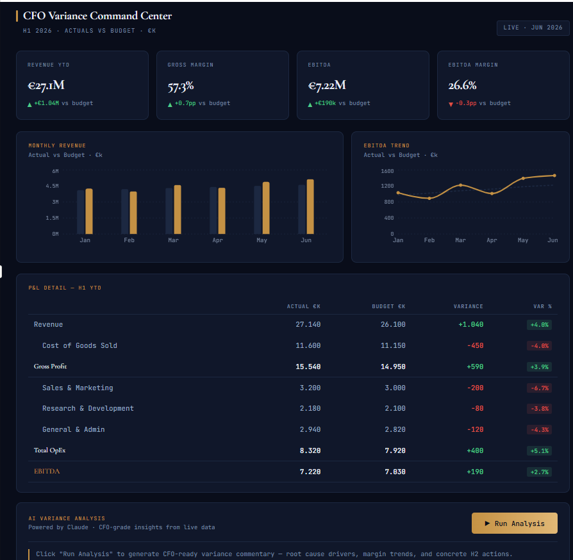
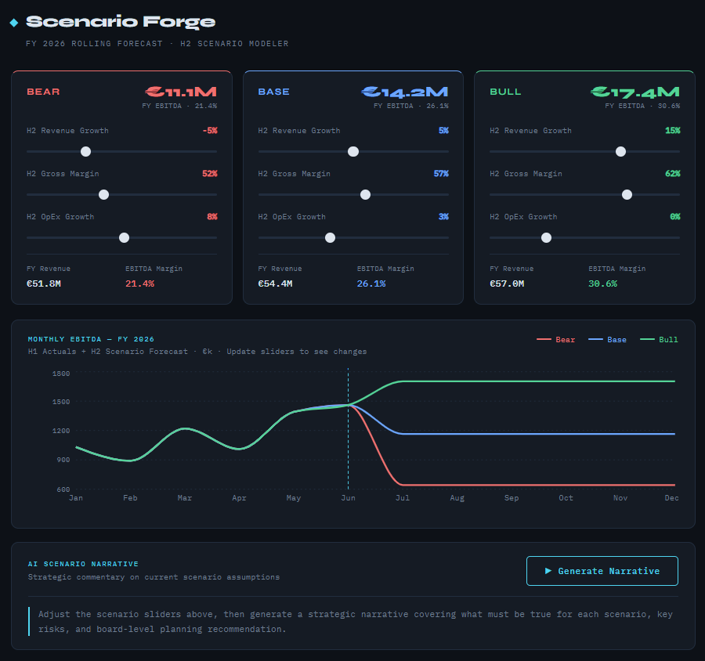
Test dataset | 6 months: Revenue €27.1M, COGS €11.6M, Gross Profit €15.5M, OpEx €8.3M, EBITDA €7.2M — all vs budget.
File | 01_cfo_variance_command_center.jsx

Example 2 — Scenario Forge (Rolling Forecast)
What it does | Interactive H2 rolling forecast with three live scenario columns (Bear / Base / Bull). Drag sliders for Revenue Growth %, Gross Margin %, OpEx Growth — the 12-month EBITDA chart updates in real time.
AI feature | Click 'Generate Narrative' — Claude produces a scenario memo: what must be true for each scenario, key risk/upside driver, recommended strategic response, and board planning recommendation.
Prompt used | Create a premium, boardroom-grade interactive financial planning application called “Scenario Forge.” The experience should feel like a fusion of Bloomberg Terminal + Linear + modern FP&A software. The app is for a CFO modeling FY2026 H2 scenarios in real time. Core Objective Build a fully interactive 3-scenario rolling forecast model with: Bear Base Bull Each scenario updates dynamically as the user adjusts assumptions. The dashboard must instantly recalculate and animate: Revenue EBITDA EBITDA Margin Monthly EBITDA trajectory Scenario narrative commentary Layout Use a dark executive UI: deep navy / black background subtle grid neon accents thin financial-chart typography futuristic CFO operating-system aesthetic Top header: “Scenario Forge” subtitle: FY2026 Rolling Forecast · H2 Scenario Modeler Main Experience 1. Three Scenario Cards Create 3 side-by-side scenario panels: Bear Red accent Base Blue accent Bull Green accent Each card contains: Interactive sliders H2 Revenue Growth % H2 Gross Margin % H2 OpEx Growth % Slider changes must update values instantly. Financial Logic Use actual calculation formulas. Inputs: Starting FY Revenue Baseline gross margin Baseline operating expenses Derived calculations: Revenue Gross Profit Operating Expenses EBITDA EBITDA Margin Formula example: EBITDA = Revenue × Gross Margin − Operating Expenses EBITDA Margin = EBITDA / Revenue Each scenario should compute independently. Live KPI Display Inside each card show: FY EBITDA (€) EBITDA Margin % FY Revenue Assumption deltas Numbers should animate smoothly when sliders move. 2. Interactive EBITDA Chart Below scenario cards: Create a large animated 12-month EBITDA line chart. Requirements: Jan–Dec x-axis EBITDA (€k) y-axis 3 lines: Bear = red Base = blue Bull = green H1 actuals remain fixed H2 forecast dynamically changes from sli
Test dataset | H1 2026 actuals (Revenue €27.1M, EBITDA €7.2M) + adjustable H2 assumptions. Bear: RevGrowth −5%, GM 52%, OpEx +8%. Base: +5%, 57%, +3%. Bull: +15%, 62%, 0%.
File | 02_scenario_forge.jsx

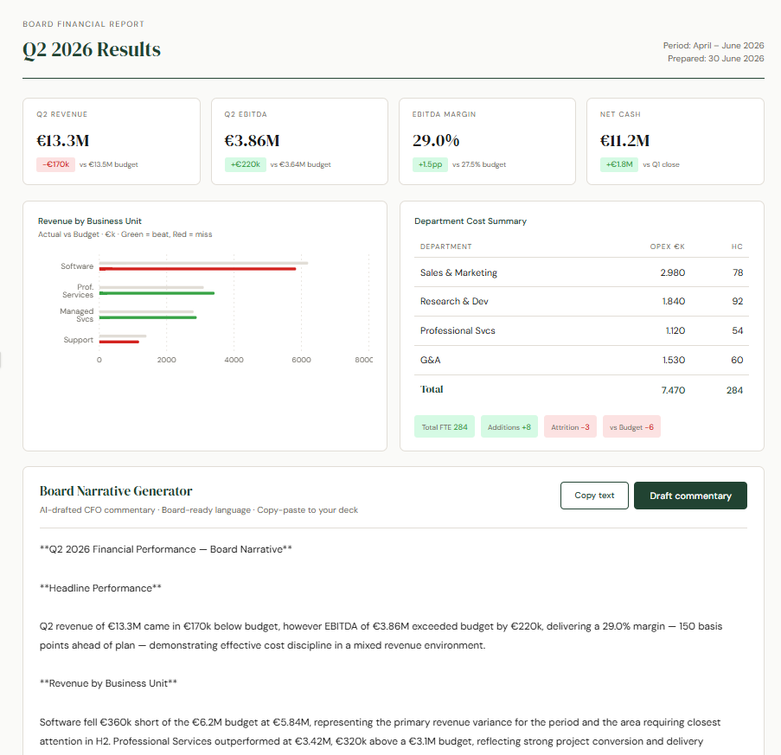
Example 3 — Board Pack Narrator
What it does | Clean editorial board report. Q2 2026 KPI cards, horizontal revenue vs budget bar chart by BU (green = beat, red = miss), department cost and headcount summary.
AI feature | Click 'Draft Commentary' — Claude writes a structured CFO board narrative. Includes a 'Copy text' button for instant paste into your deck.
Prompt used | Create a clean, editorial-style Board Financial Report for Q2 2026 Results. Design style: elegant white background serif headline typography muted green accents subtle borders board-pack / annual-report aesthetic calm, premium, print-ready layout Include: Header “Board Financial Report” “Q2 2026 Results” Period: April–June 2026 Prepared date KPI cards Show: Q2 Revenue Q2 EBITDA EBITDA Margin Net Cash Each KPI card includes: actual value variance vs budget or prior quarter green for favourable red for adverse Revenue by Business Unit Horizontal bar chart: Software Professional Services Managed Services Support Show actual vs budget. Use: green = beat red = miss neutral grey = budget/reference Department Cost & Headcount Summary Table with: Department OpEx €k Headcount Rows: Sales & Marketing Research & Development Professional Services G&A Total Add small status pills: Total FTE Additions Attrition vs Budget Board Narrative Generator Add a button: “Draft commentary” When clicked, generate board-ready CFO commentary covering: headline Q2 performance KPI highlights BU revenue performance margin drivers department cost trends headcount movement key risks items requiring board attention Tone: concise editorial CFO-written copy-paste ready for board deck Tech stack: React + TypeScript + Tailwind + Recharts. Make it feel like a polished quarterly board report, not a generic dashboard.
Test dataset | Q2 2026: Revenue €13.3M (vs €13.5M budget), EBITDA €3.86M, EBITDA Margin 29.0%, Net Cash €11.2M. Revenue by BU: Software €5.84M, Prof Services €3.42M, Managed Svcs €2.89M, Support €1.18M.
File | 03_board_pack_narrator.jsx

Dashboard
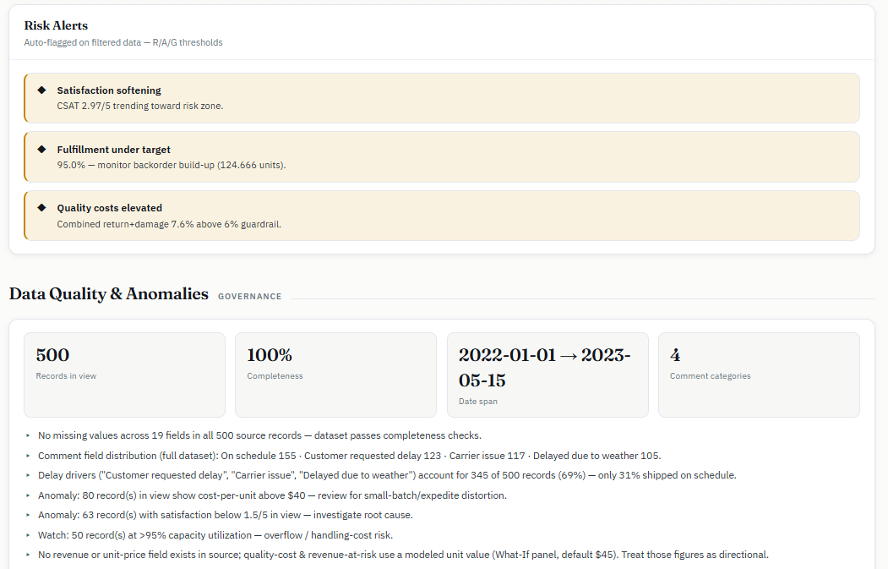
Prompt I used: | Result

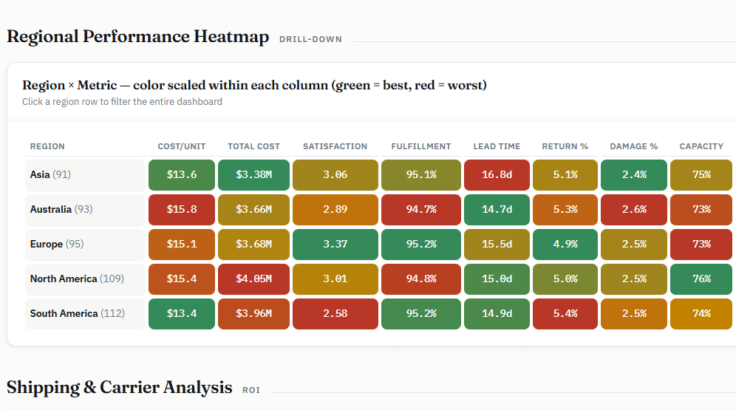
Create an executive CFO dashboard for a paper company's supply chain and operations using the provided dataset (500 operational records spanning multiple regions, warehouses, and product types). **Primary Financial Metrics to Highlight:** - Total operational costs vs. shipping costs (cost breakdown) - Cost per unit shipped (efficiency metric) - Revenue impact from return rates and damage rates (quality costs) - Warehouse capacity utilization (asset efficiency) - Inventory turnover and backorder impact on cash flow **Key Performance Indicators (KPIs) the CFO Cares About:** 1. Operational Cost Trends (month-over-month, by region) 2. Shipping Cost Optimization (method comparison, carrier performance) 3. Customer Satisfaction Score (risk to retention/churn) 4. Fulfillment Rate vs. Backorder Level (working capital indicator) 5. Lead Time Performance (supply chain risk) 6. Damage & Return Rates (cost drivers, warranty liabilities) **Dashboard Features:** - KPI Cards with key metrics at the top - Cost trend line chart (operational vs. shipping costs over time) - Regional performance heatmap (costs, efficiency, satisfaction) - Shipping method ROI analysis (cost vs. speed vs. satisfaction) - Carrier performance scorecard (cost, reliability, damage rates) - Warehouse efficiency quadrant (capacity util. vs. fulfillment rate) - Drill-down capability by region, warehouse, or product - What-if scenario: impact of reducing return/damage rates - Alerts for underperforming metrics **Visual Style:** Professional, clean, corporate theme. Use red/amber/green for status indicators. Emphasize cost savings opportunities and operational risks. Include data quality notes and any anomalies flagged in the Comments field. **Interactivity:** Date range filter, region selector, sorting and ranking capabilities. Show both absolute numbers and % change from prior period.

Note: you can download the dashboard after entering the prompt

Scenario Modelling
Prompt I used: | Result

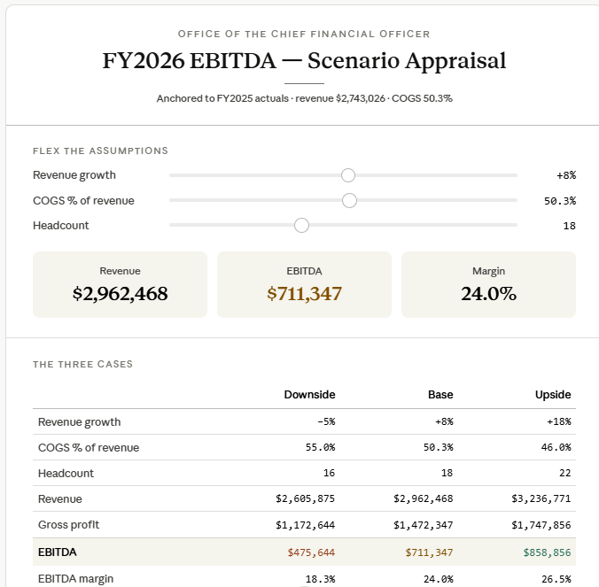
Build 3 scenarios (base / downside / upside) for FY2026 EBITDA. Assumptions to flex: [revenue growth %, COGS %, headcount]. Show the output as a sensitivity table. For each scenario, list the top 2 actions management should take.

